Case #1
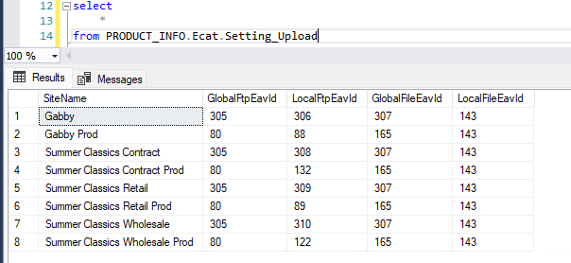
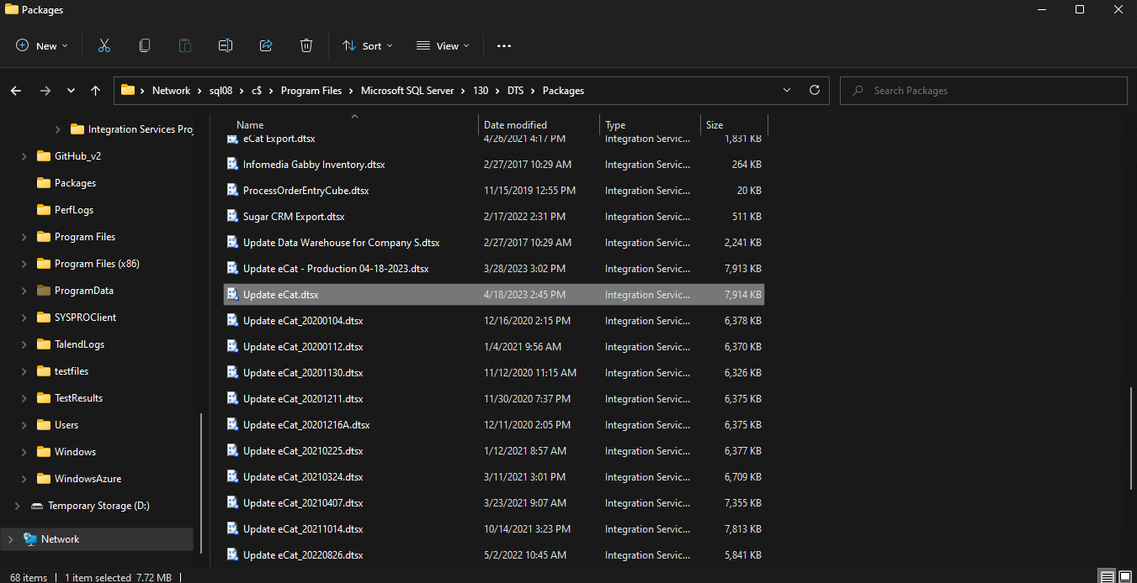
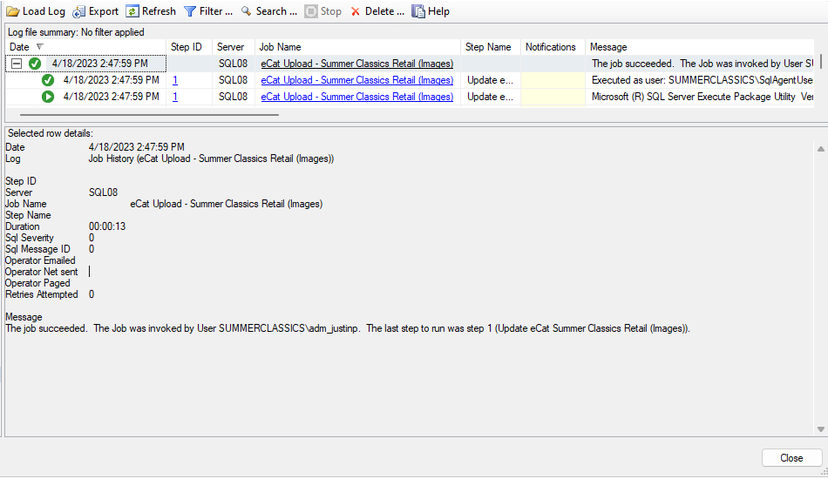
Justin Pope Dev Test
Test Case No. | 1
Process | SQL Job: eCat Upload - Summer Classics Retail (Images)
Test Consideration | 1) SSMS access 2) https://gabriellawhite.files.com/ access
Test Condition |  | Data Used | How To Verify | Actual Results
Tasks
1 | Run job | Azure Dev data | verify no errors from history | Screen Shot below
2 | verify files on gabriellawhite.files.com/ | Azure Dev data | files timestamp match job execurion | Screen Shot below
Configuration/Data Setup for Testing Scenario
1 | The settings for the SSIS package need to be configured to send files to the gabriellawhite.files.com/ sftp site. To do this, configure the settings found PRODUCT_INFO.Ecat.Setting_Upload to utilize the dev properties found in PRODUCT_INFO.Config.Properties. Screen Shot below.

Verification

Test Cast Screens Shots Before and After

 | Note that the site name configured with a postfix of Prod is for production settings. To switch the settings, postfix a Dev to the current active settings and remove the Prod from the other set of settings.

Case #2
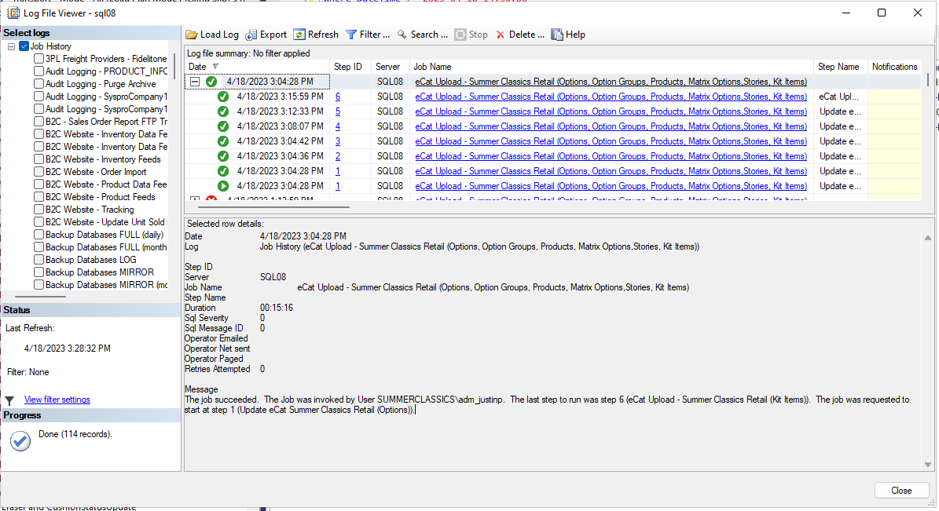
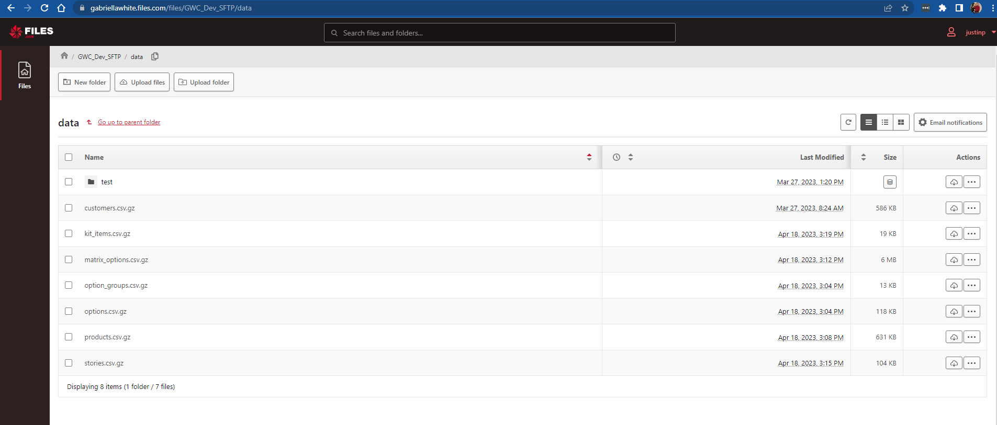
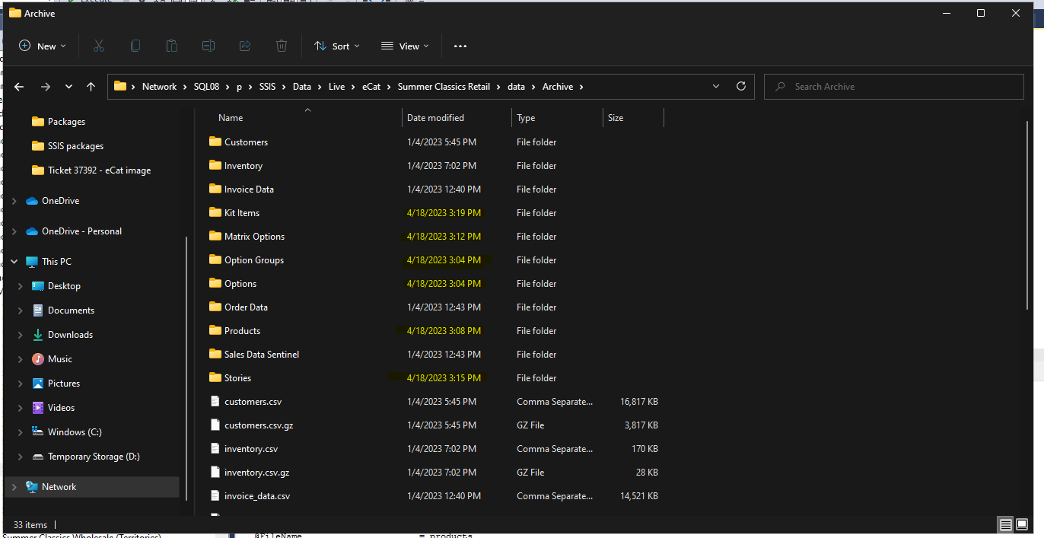
Justin Pope Dev Test
Test Case No. | 2
Process | SQL Job: eCat Upload - Summer Classics Retail (Options, Option Groups, Products, Matrix Options, Stories, Kit Items)
Test Consideration | 1) SSMS access 2) https://gabriellawhite.files.com/ access
Test Condition |  | Data Used | How To Verify | Actual Results
Tasks
1 | Run job | Azure Dev data | verify no errors from history | Screen Shot below
2 | verify files on gabriellawhite.files.com/ | Azure Dev data | files timestamp match job execurion | Screen Shot below
Configuration/Data Setup for Testing Scenario
1 | The settings for the SSIS package need to be configured to send files to the gabriellawhite.files.com/ sftp site. To do this, configure the settings found PRODUCT_INFO.Ecat.Setting_Upload to utilize the dev properties found in PRODUCT_INFO.Config.Properties. Screen Shot below.

Verification

Test Cast Screens Shots Before and After

 | Note that the site name configured with a postfix of Prod is for production settings. To switch the settings, postfix a Dev to the current active settings and remove the Prod from the other set of settings.

